Mind Map
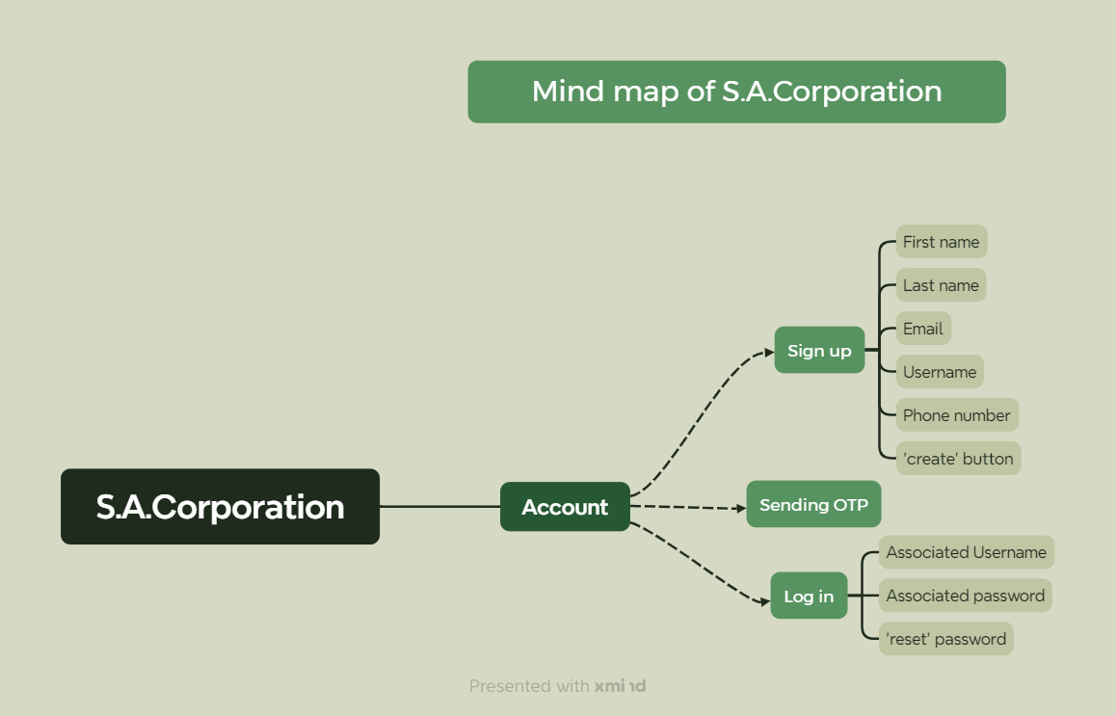

Test Summary Report
Test summary pie chart
Test Case Report
Project Name | S.A.Corporation (Online shopping platform)
Module Name | Customer Account
Feature Name | Sign Up & Sign In
Test Case Version | 1
Written By | Any Mondol
Executed By | Any Mondol
Reviewed By

Test Execution Report
Test Case => | Pass | Fail | Not Executed | Out of Scope | Total
 | 26 | 11 | 0 | 2 | 37

Limitations
Documents |  |  |  | Received | Useful
PRD |  |  |  | No | No
User Story |  |  |  | No | No

